Table 6
I I I 0 C N
I Frh
I I I I N 1fol I I I I I I
I
0 C p |  |  | I Lp Tr cl Bel I
Ovis ammon musimon | 3cm M3 | Ppc Chb
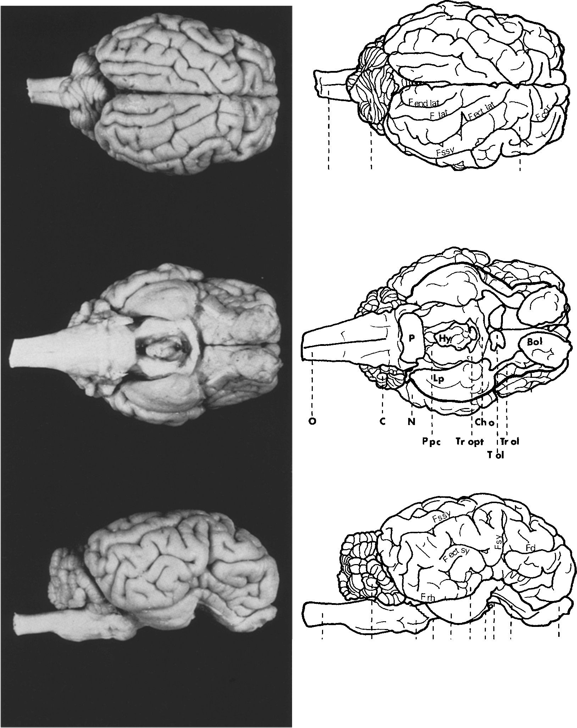
Fig. 1. Dorsal, ventral and lateral views of one sheep brain each with similar body weight--left

Table 7
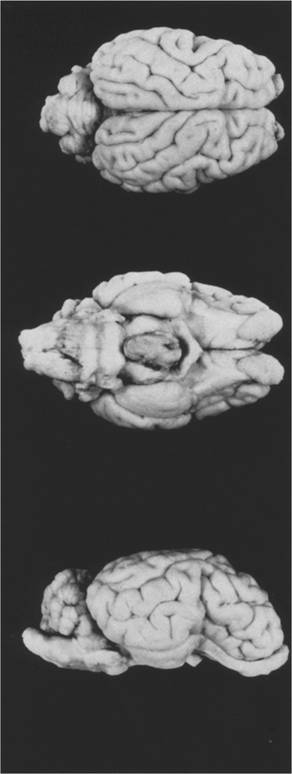
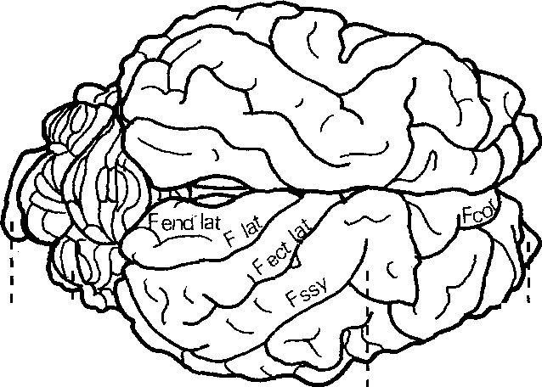
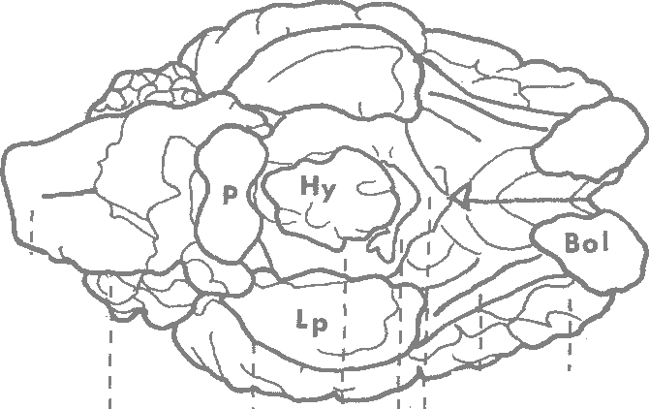
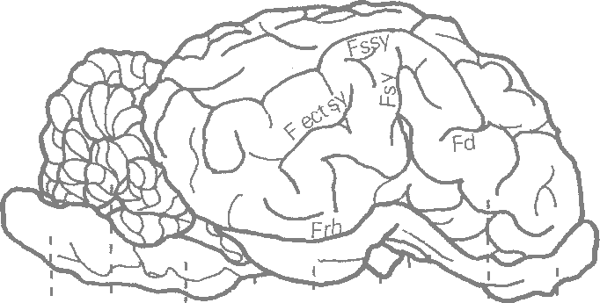
I
I
0
C
I I I
Bl.I
I
6
I
C
I
Frh
Ppc CHo :
I
N
• I
I I
I I'
T
1
N
, lrol ropt
0 C 3 cm Ovis ammon f. arie s H 4 | I 1 I 1Tol' I I p' Lp : Tr ol N Ppc Ch1o | ' Bo' l
Ovis ammon musimon (27 kg) right Ovis ammon f. aries (29 kg). For abbreviations see p. 273.
C. Quantitative Results I. Total Brain The brain of mammals, serving as a centre of integration, association and coordination, has a certain "basic" size which enables the innervation of the different organ systems. This "basic" size depends on several factors (Starck, 1965; Stephan and Bauchot, 1965):
1. Body Size A change of body size is correlated with a change of brain size, i.e. there is a correlation depending on sizes between the mass of the body which has to be innervated and the brain tissue.
2. Evolution Development and differentiation of higher centres (e.g. neocortex and neo-cerebellum) are linked with the penetration of" new" components in phylogenetic-ally old brain regions. This so-called Neencephalization (Starck, 1965) may be considered as an evolutionary index.
3. Specialization A specifically functional adaptation of animals to certain environments and living conditions implies a special development of corresponding parts in the brain or vice versa. In some aquatic mammals (dolphin, whale), for example, the olfactory centres have been widely reduced. Specializations have to be judged particularly as to their development of sensory systems and the corresponding centres in the brain (Starck, 1965). The influence of body size may be determined by using the allometry formula. In interspecific comparisons between mammals of closely related species an a-value of about 0.56 (0.5-0.6) has been found so far. Intraspecific comparisons, on the contrary, i.e. comparisons within one species, showed gradient values of the allometric line of about a =0.25 (0.2-0.3). If the interspecific comparison is intended to provide informations on the specialization and development of higher centres, the influence of body size has to be inserted as a= 0.56 (0.5-0.6). If, however, in an intraspecific comparison the effects of different factors on the brain and its parts are to be tested, the influence of body size has to be inserted as a= 0.25 (0.2-0.3). In a comparison of brain sizes of wild and domestic sheep one has to depart from intraspecific allometric relations, from which there may be drawn conclusions on the influence of domestication on brain size. For the relation brain weight to gross body weight there have been determined separate allometric lines for wild and domestic sheep (Table 2). The few data on wild animals (n = 6) and the small dispersion of body weights cause an inclination of the mufflon line (main axis of ellipse) of only 0.13 (P>0.05). For domestic sheep (n = 78) the calculation of the gradient yielded the exponent a= 0.20 (P<0.01; Lind

Table 8
200 180 160 140 120 100 | 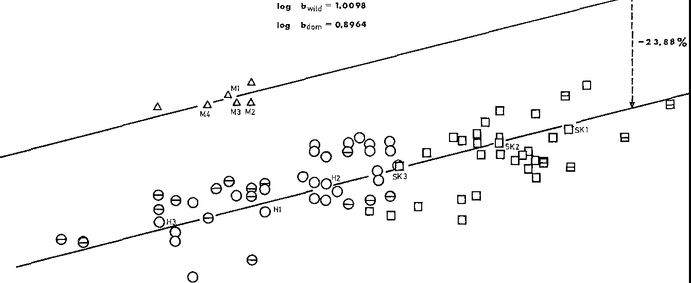 brain weight (g) |  |  |  | a =0.25
80-, r--------,-------,------,----,----,----- 20000 30000 40000 50000 60000 70000 gross body weight ( g)
Fig. 2. Relations between brain weight and gross body weight of wild and domestic sheep in a double logarithmic scale. 6 mufflons; o North German Moorland Sheep (own data); D Black-head Sheep; e, El data given by Stephan; M, H, Sk brains studied cytoarchitectionically
Table 2. Statistical values for the relations log brain weight (y) and log gross body weight (x) of wild and domestic sheep
 |  | Mufflon |  | Domestic sheep |  | Moorland sheep | Blackhead sheep
N |  | 6 |  | 78 |  | 44 | 34
x |  | 4.4472 |  | 4.6050 |  | 4.4966 | 4.7453
jj |  | 2.1260 |  | 2.0470 |  | 2.0294 | 2.0697
aRL |  | 0.1493 |  | 0.1990 |  | 0.2591 | 0.3106
aRMA |  | 0.2530 |  | 0.2653 |  | 0.3520 | 0.5061
aMAE |  | 0.1259 |  | 0.2050 |  | 0.2736 | 0.3626
r |  | 0.7192 |  | 0.7500 |  | 0.7360 | 0.6138
TF po.O5~3.97 |  |  | 47.0086 |  |  | 5.3273
i" |  |  | 0.2048 |  |  | 0.2955
ir PO.O1~0.08 |  |  | 0.7494 |  |  | 0.6848
if |  |  | 4.8818 |  |  | 3.3843
iF PO.O1~7.00 |  |  | 0.0106 |  |  | 4.3920
common allometric exponent for both random tests. Investigations on the relation brain weight to body weight have up to now resulted in parallel allometry lines for wild and domestic animals (Rohrs, 1955; Schumacher, 1963; Kruska, 1970; Weidemann, 1970; Ebinger, 1972). "The intraspecific dependence of brain weight on body weight existing in wild species has subsisted in domestic animals" (Herre and Rohrs, 1971, p. 104). Significant relations between brain and body weight of
a given domestic species may hence be transferred to their wild species. Under these conditions the common inclination value of a =0.20 may be considered as sufficiently proved. The association of the pairs of values with the calculated line in Fig. 2 illustrates again the linear interdependence of brain weight and gross body weight in the double logarithmic scale. According to the F-Test (Rempe, 1962) the positions of the allometric lines of the domestic and wild sheep differ significantly (P<0.01). The difference of the b-values determines their difference of position and characterizes thus the reduc-tion of brain weight in the domestic state. With allometric exponents of 0.20, 0.25 and 0.30 the following equations may be established for wild and domestic sheep lines (cf. Material and Methods, p. 272): (Wild) 2.1260 = 1.2366+0.20 •4.4472 see (5) (Dom.) 2.0470 = 1.1260+0.20 •4.6050 (Wild) 2.1260 = 1.0142+0.25-4.4472 see (6) (Dom.) 2.0470 =0.8957+0.25 ·4.6050 (Wild) 2.1260 =0.7918+0.30·4.4472 see (7) (Dom.) 2.0470 = 0.6655+0.30 •4.6050 This results in reduction values of 22.48 % (a= 0.20), 23.88 % (a= 0.25) and 25.24 % (a= 0.30) for the brain weight of domestic sheep compared to that of wild sheep. On an average the brain of domestic sheep is by 24% smaller than in equally sized wild sheep. Already in 1912 Klatt was able to prove by means of skull capacity measure-ments a reduction of brain sizes of domestic sheep compared to those of wild sheep. When-using Klatt's data-the third roots of the skull volumes are correlated to the Condylo basal distances plotted in a double logarithmic scale, a regression calculation for domestic sheep shows a reduction of the skull capacity of 22.12% (a= 0.30). Hence the reduction value is by 3.12 % lower than that which has been calculated using brain weight data. In spite of this di

In general it may well be assumed that brain sizes are reduced in the course of domestication. One question however, should be answered: if these brain reductions in domestication apply to all brain subdivisions in the same way or if there are regional differences. This question will be discussed below, as regards sheep.
II. Volume Comparison of Brain Subdivisions According to previous investigations size changes of single brain subdivisions do not correspond to the total brain reductions of domestic animals. The size of five brain parts is reduced during domestication, this reduction is not uniform but varies in dimension (Schumacher, 1963; Herre and Thiede, 1965; Kruska, 1970, 1972; Schleifenbaum, 1973; Kruska and Stephan, 1973). Brain weights, total brain volumes and absolute volumes of the measured brain subdivisions of wild and domestic sheep are given in the Tables 3 and 4. The percentages comparing brain structure to pure brain volume are listed in Table 5 and 6. Geometrical means, geometrical variability coefficients and relative values of body weights, brain weights, brain volumes and volume of brain sub-divisions of wild and domestic sheep are indicated in Table 7. The reductions of brain subdivisions (in percent) are to be seen in Table 8 and Fig. 4. Position and extent of brain subdivisions are shown in Fig. 5. The following reductions which are discussed in the text, too, refer to the allometric exponent a= 0.25 which can be considered as a central value for an intraspecific comparison. The calculation of the reduction of the five brain subdivisions of domestic sheep gave the following results: Telencephalon 26.30%, diencephalon 21.18%, mesencephalon 21.51 %, cere- bellum 15.78%, medulla oblongata 13.39%. The telencephalon underwent the greatest reduction of all brain subdivisions and surpasses the total reduction of 23.9% by 2.4%. Diencephalon and mesen-cephalon show about the same second-big value. The cerebellum, followed by the medulla, shows the smallest volume change. When the systematical subdivision of the brain into five parts is replaced by the "genetic" subdivision

 |  |  | 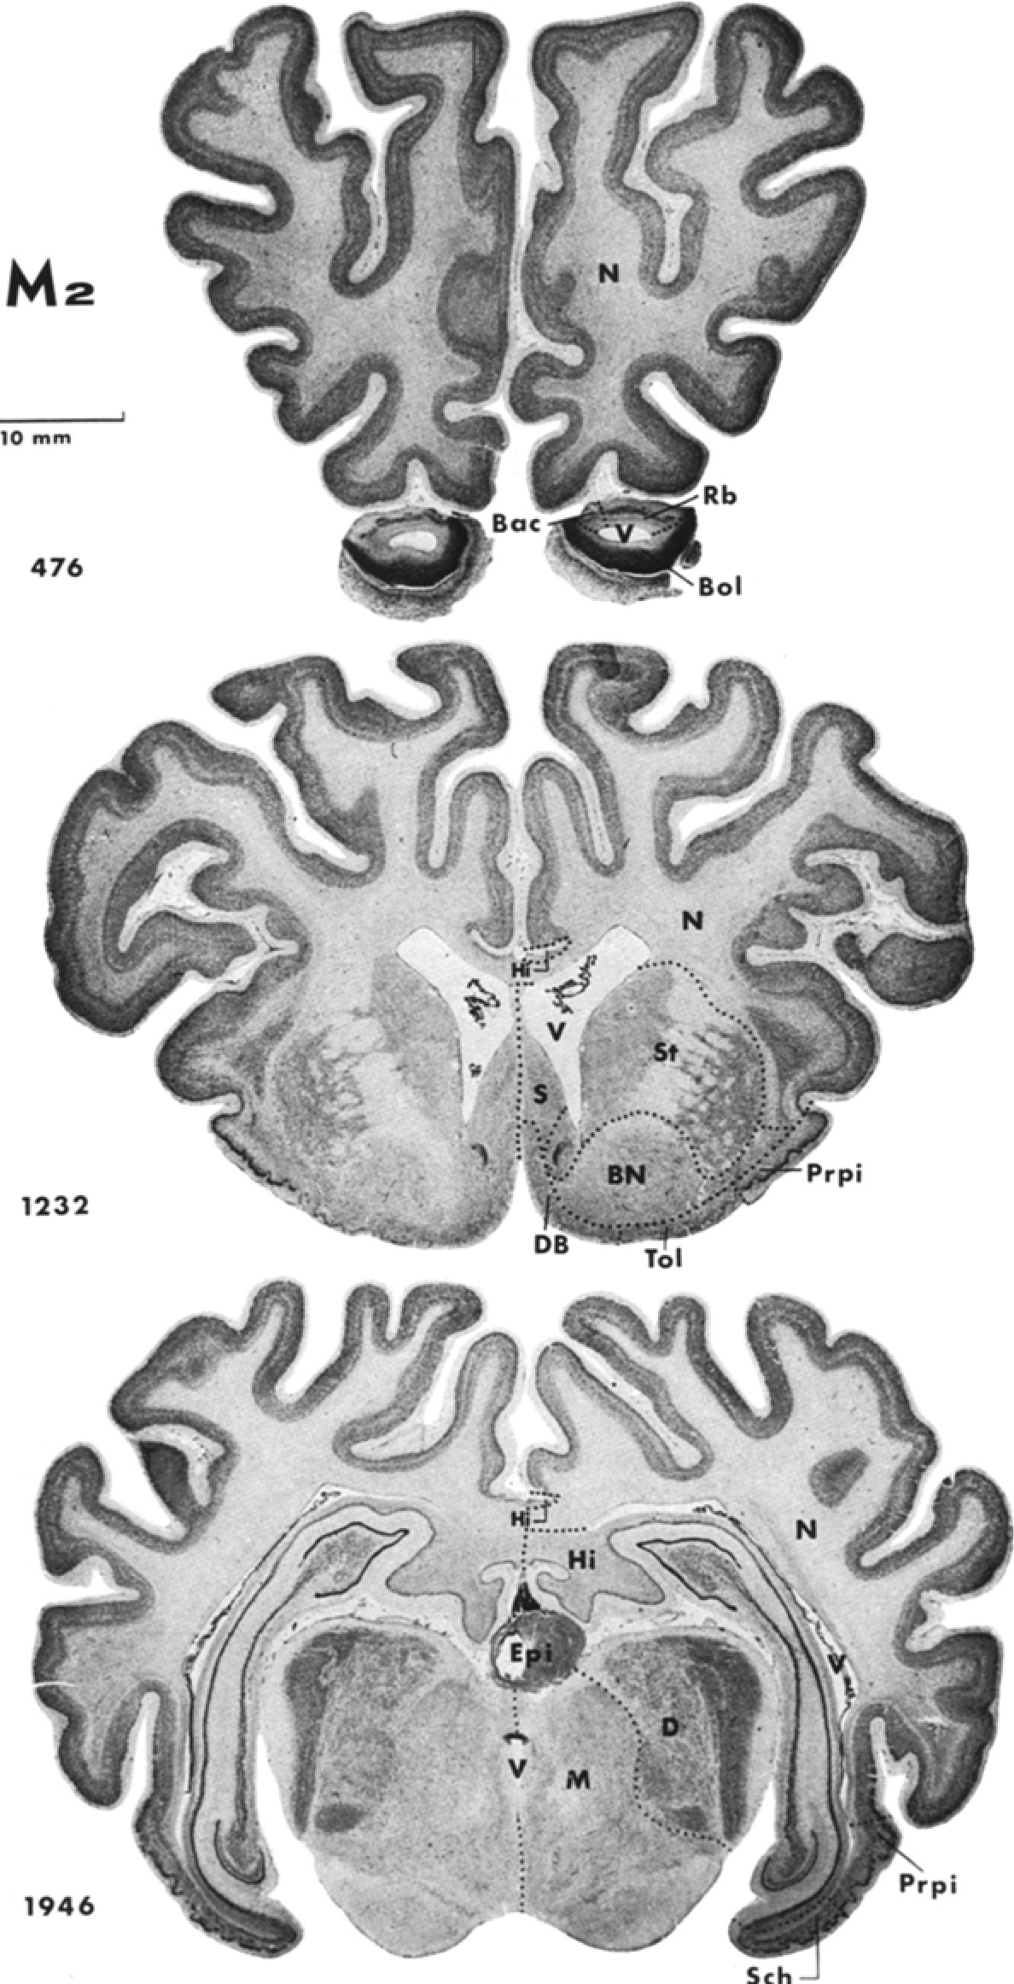

Table 9
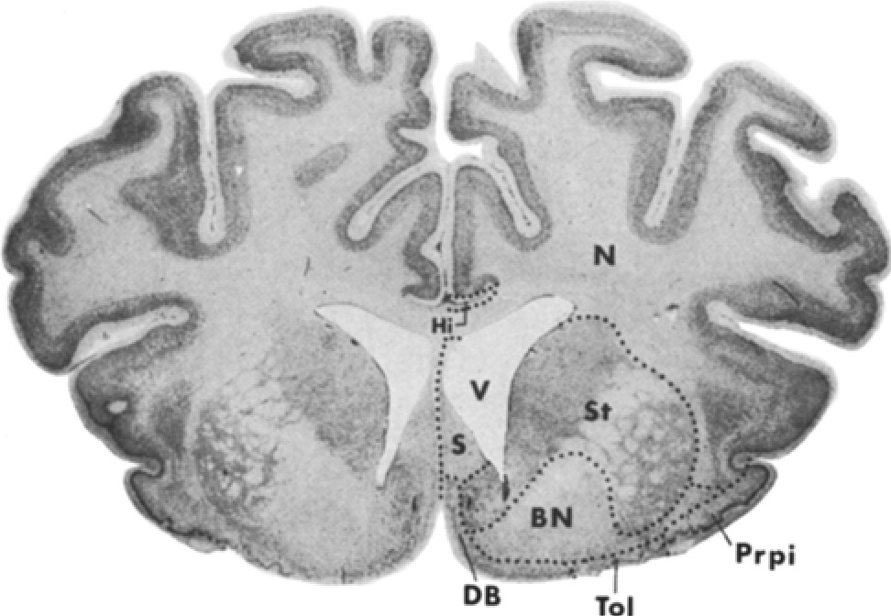 Sk2 10 mm 544 | 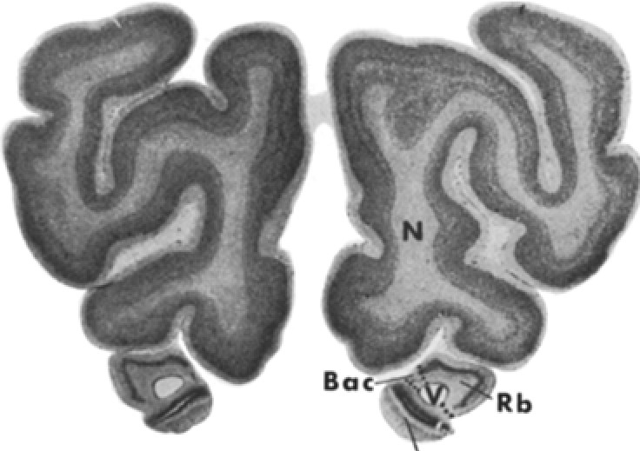 Bol
1536
Fig. 3. Cytoarchitectonic delimitation of brain subdivisions on the photographed serial sections of a wild sheep brain (M 2) in comparison with a domestic sheep brain (Sk 2). For abbreviations seep. 273
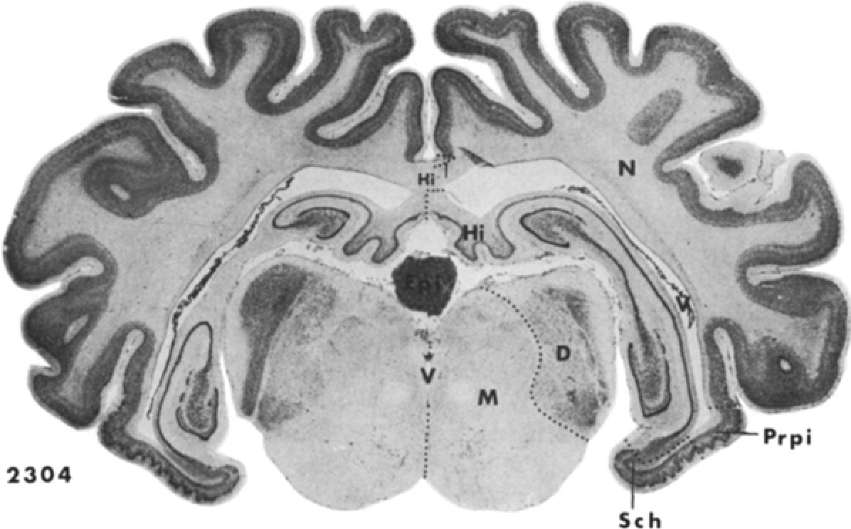
Fig. 4. Diagram of determined reduction values of single brain parts and structures from wild to domestic sheep
relation with the common intraspecific allomet1ic exponent of 0.25. Due to this fact there arise some minor differences compared to the original data. In the five compared domestic species-albino rat, domestic sheep, domestic pig, ferret and poodle-the telencephalon shows in all cases the greatest reductions. This highly developed part of the mammal central nervous system surpasses thus the value of total reductions.
-4o_ %
-
-
-
-35_ ⁻
-
-
-
-
-
-3o_⁻
-
-
-
-
-
-25_
-
-'--
-
�
-
._
-
-2o_⁻
-
-
-
- ......
._
'--
-
-
-
-
-1 5_
-
-
-
-
-
1--
-
.......
-
-1 o_⁻
-�
f
C
-
.".i,i
Q
0
a
5_
-
-
-
......
."..'
E
"e
�
�
•^{E} "C'
a
Q ;;
C
-
0
>
0
0
:;;
.2 C
C
E
i
�•
0
E
u
0
�
E .<: _{a} ⁰
0 ₂ .2
-
-
·e
C
C
2 .<:
.a
.•
t
•
�
z
+-
E
•
+ _{t}
f
!
.., �
C
a
• •
-
.. '
]
.a .a
"ii
,g
..•,
Q
e
'1.
.<: -�
'1. !
C
e
^{'1.} e
u
e
� t
•
0
•
e
1
.
a
u
,
0
•
f
�
� C
1. ::IE u ::IE
e
e .!! e
Q
..
..!!
C
0
'1.
.
�
• �
•
.a ^{'1.}
C
E
�
-�
C
E E C
ii 0
�
Q
e
z
_{u}⁰ _{<t 0} .⁰, .; .; ,,;_
,g .:
<t +
.a
'1. '1.
0
�
.
�
a
, .,
:ii i
u
z
0
::;
E
'1. '1. '1.
e Q
"'
0 :i:
"
a
'
'1.
e
0
-��
.,

Table 3. Brain weights (g), total brain volumes (mm3) and absolute volume values (mm3) of the measured brain subdivisions of wild sheep

Table 18
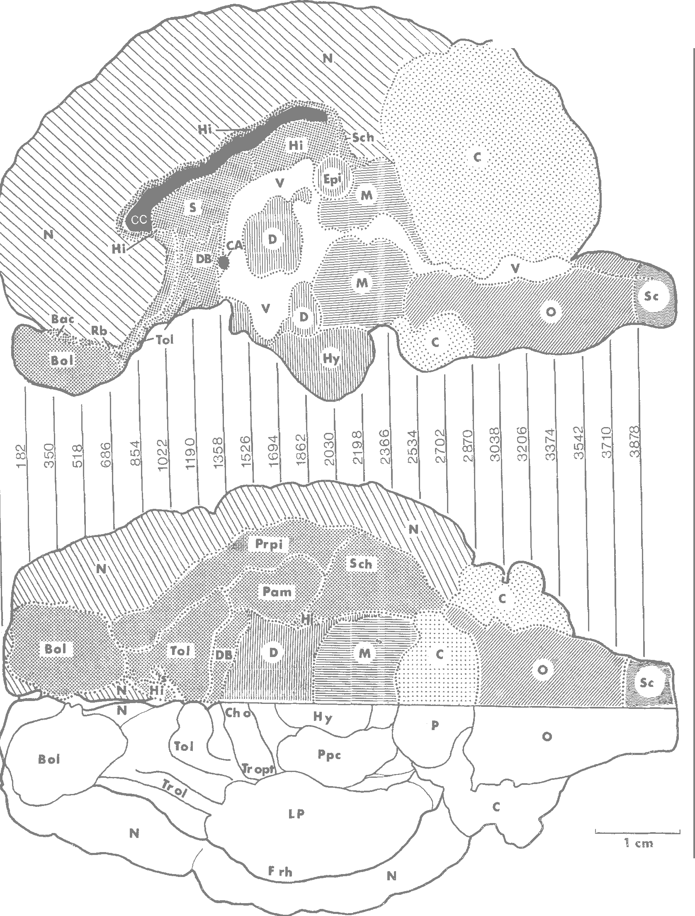 Compa•nson of Brains in W• Iid and Domestic Sheep | 293 M2

brain weight (g)
;o = 0.30
F• ig. "o'. Reconstruocftipohnostofgt rhaep hmededsiearniaalnsdecvtieonntsra. lFvorei• :bbofretvheiatbiroa•nms soefeapw. 2il73d sheep by means
160
140
120
100
80
20000 30000 40000 50000 60000 70000 gross body weight (g) Fig. 6. Relations between brain weight and gross body weight of North German Moorland Sheep (Heidschnucke) and Blackhead Sheep (Schwarzkopf) in a double logarithmic scale. o North German Moorland Sheep; □ Blackhead Sheep
For the relation brain to body weight the angles of inclination of the determined allometric line for North German Moorland Sheep and Blackhead Sheep are shown in Table 2. Fig. 6 illustrates the grouping of the pairs of values in a double logarithmic scale. The inclination angles of both lines do not differ significantly from each other so that we may determine a common allometric exponent for both. It equals a =0.2955 (Table 2). The main axes of the ellipses have been proved to differ in their position from each other (P = 0.01). Hence the following allometric equations are valid:
2.0294 = 0.6804-0.2955 ·4.4966 (North German Moorland Sheep) 2.0697 =0.6461-0.2955·4.7453 (Blackhead Sheep)
Animals of both breeds with the same body weight differ in their brain weight; the brain weight (and volume) of the Blackhead Sheep is by 7.6% smaller than that of the North German Moorland Sheep. A volumetric comparison shows that all brain parts listed in Table 11 have lower values in Blackhead Sheep than in North German Moorland Sheep. The volume difference are not equally dimensioned. They vary between 3.8 % in the neocortex and 19.5% in the corpus striatum. The following percentage differences of the five brain subdivisions of North German Moorland Sheep to Blackhead Sheep could be determined: Telencephalon 5.5% , diencephalon 11.3% , mesencephalon 18.2 % , cerebellum 5.1% , medulla oblongata 12.0%. A significant relation between these data and the reduction value found in the comparison of wild sheep to domestic sheep cannot be recognized. If the large variability coefficients of the absolute volumes of the brain subdivisions in
Table 11. Geometric mean values (GM), geometric variability coefficients (GVC), relative values (RV) and differences in percentage of brain subdivisions comparing North German Moorland Sheep (Heidschnucke) to Blackhead Sheep (Schwarzkopf) Heidschnucke (n = 3) Schwarzkopf (n = 3) Reductions

